Screen Description
 |  |  | [ros-2018] BASIC DESIGN |  |  | System name |  |  | Screen/Module Name
 |  |  |  |  |  | Golden Bowl |  |  | Menu Page |  |  |  |  | Version | 2.000
 |  |  |  |  |  |  |  |  |  |  |  |  |  | Create Date | 2018-07-29 | Created By | Oplas, Andrew
 |  |  |  |  |  |  |  |  |  |  |  |  |  | Update Date | 2018-10-17 | Updated by | Oplas, Andrew

Screen Description |  |  |  |  |  |  |  |  |  |  |  |  |  | Purpose

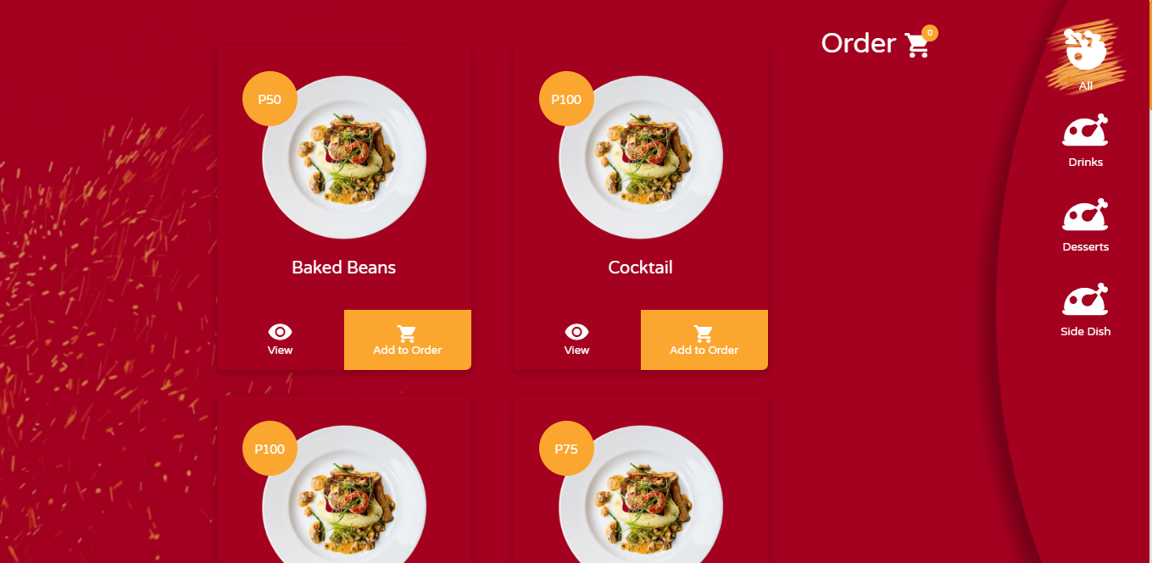
 |  |  |  |  |  |  |  |  |  |  |  |  |  | The main purpose of this screen is to let the user order menu items through clicking the 'Add to Order' button. The user may also choose the menu and the system will display the menu items under the choosen menu.

 |  |  |  |  |  |  |  |  |  |  |  |  |  | Flow

 |  |  |  |  |  |  |  |  |  |  |  |  |  | The user may click the 'View' button and will be redirected to the page where the user can see the details of the menu item. The user can also click the Order button to view his/her order.

1
2
3
4
5
6

Screen Details

 | Item | Screen Item |  | Attribute | Mandatory |  | Range of Values | Format |  | Length | Default | Alignment | Remarks

